Happy Times
Happy Times, Inc. wants to expand its party stores into the Southeast. In order to establish an immediate presence in the area, the company is considering the purchase of the privately held Joe’s Party Supply. Happy Times currently has debt outstanding with a market value of $115 million and a YTM of 6 percent. The company’s market capitalization is $360 million, and the required return on equity is 11 percent. Joe’s currently has debt outstanding with a market value of $45 million. The EBIT for Joe’s next year is projected to be $17.3 million. EBIT is expected to grow at 10 percent per year for the next five years before slowing to 3 percent in perpetuity. Net working capital, capital spending, and depreciation as a percentage of EBIT are expected to be 9 percent, 15 percent, and 8 percent, respectively. Joe’s has 1.95 million shares outstanding and the tax rate for both companies is 21 percent.
Happy Times |  |  | Joe's Party Supply
Debt | 115 |  | Debt | 45
YTM "yield to maturity" | 6% | < Cost of Debt | EBIT (next year) | 17.3
Market Cap | 360 | < MV of Equity | growth CF1...CF5 | 10% | <for next 5 years
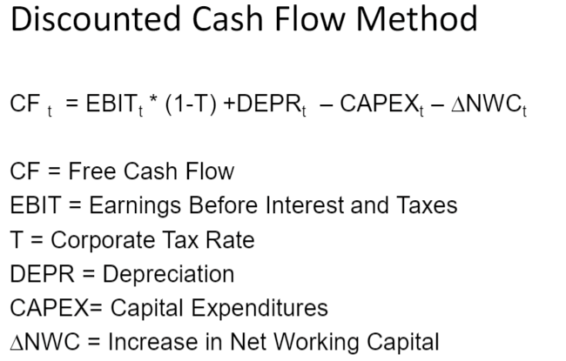
Required Return on Equity | 11% | < Cost of Equity | growth perpetual | 3% | <in perpetuity
EV? Debt + MV (market cap) | 475 |  | Net Work Cap | 9% | of EBIT
 |  |  | Cap Spending | 15% | of EBIT
WACC = | 9.48% |  | Depreciation | 8% | of EBIT
 |  |  | Shares outstanding | 1.95
 |  |  | Tax rate | 0.21
PART A

Joes Party Supply Cash Flow Projections
Year | 1 | 2 | 3 | 4 | 5 | 6
EBIT | 17.30000 | 19.03000 | 20.93300 | 23.02630 | 25.32893 | 26.08880
Taxes | 3.63300 | 3.99630 | 4.39593 | 4.83552 | 5.31908 | 5.47865
Earnings after tax | 13.66700 | 15.03370 | 16.53707 | 18.19078 | 20.00985 | 20.61015
Depreciation | 1.38400 | 1.52240 | 1.67464 | 1.84210 | 2.02631 | 2.08710
Cap spending | 2.59500 | 2.85450 | 3.13995 | 3.45395 | 3.79934 | 3.91332
Net Work Cap | 1.55700 | 1.71270 | 1.88397 | 2.07237 | 2.27960 | 2.34799
Cash Flows | 10.89900 | 11.98890 | 13.18779 | 14.50657 | 15.95723 | 16.43594
Discounted to PV | 9.95484 | 10.00172 | 10.04882 | 10.09614 | 10.14369 | 9.54291

TV ("terminal value") | 253.468159 |  |  |  | Period 5 | 269.42539
PV of TV (discount 5 yrs) | 161.124573 |  |  |  | NPV = | $211.36978
PV CF1,...CF5 + PV TV | 211.369780 | < total firm value
Total value of equity | 166.369780 | < firm value minus debt
Value of equity / Shares | $85.32 | < maximum price per share to pay
 |  |  |  | EXAMPLES OF COMPARABLES
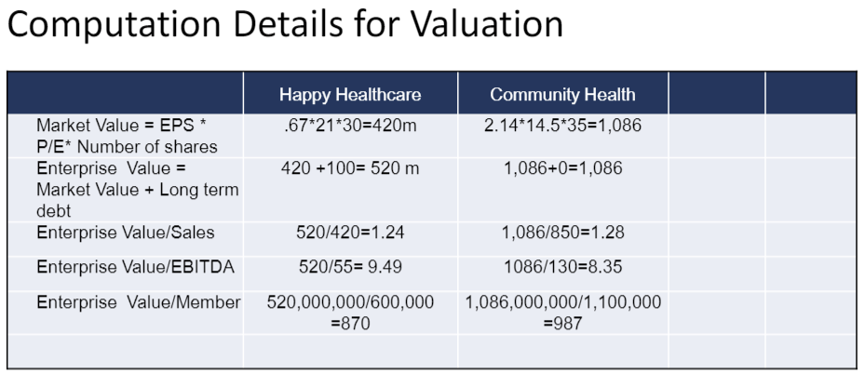

Happy Times
Debt | 115
YTM "yield to maturity" | 6%
Market Cap | 360
Required Return on Equity | 11%
EV? Debt + MV (market cap) | 475

WACC = | 9.48%

EV/EBITDA Multiple | 9
EBIT (Year 5) | 25.328930
Dep (Year 5) | 2.026314 |  |  | **
EBITDA (Year 5) | 27.355244 |  |  | EBITDA - DEP = EBIT
EBITDA (Yr 5) * Multiple | 246.197200 | <Terminal Value (TV) |  | EBIT = EBITDA + DEP
Discounted 5 Periods | 156.502571 | < PV of Terminal Value (TV)
Pv of TV + PV of CF1:CF5 | 206.747778 | <Total Value of Firm
Total value of equity | 161.747778 | < firm value minus debt
20% liquidity discount | -
Adjusted total value of equity | 161.747778
Value of equity / Shares | $82.95 | < maximum price per share to pay

